Results
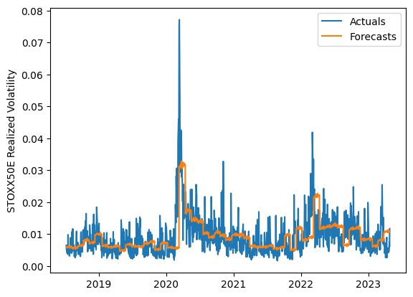
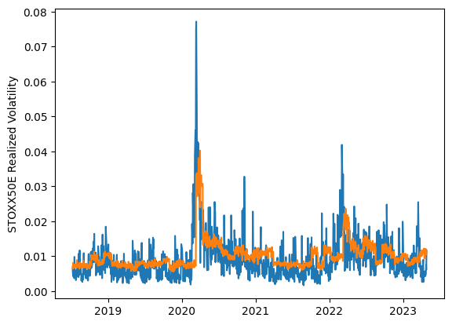

 | LSTM |  |  | TCN |  |  | NBEATSx |  |  |  |  | LSTM |  |  | TCN |  |  | NBEATSx
 | Accuracy | RMSE | Qlike | Accuracy | RMSE | Qlike | Accuracy | RMSE | Qlike |  |  | Accuracy | RMSE | Qlike | Accuracy | RMSE | Qlike | Accuracy | RMSE | Qlike
Trial 1 | 51.69% | 0.372% | 0.152 | 27.60% | 0.467% | 0.256 | 55.69% | 0.349% | 0.124 |  | Mean | 49.55% | 0.379% | 0.160 | 37.36% | 0.418% | 0.211 | 56.93% | 0.345% | 0.130
Trial 2 | 44.36% | 0.400% | 0.181 | 41.14% | 0.400% | 0.195 | 58.29% | 0.343% | 0.131 |  | Standard Deviation | 3.08% | 0.011% | 0.012 | 7.42% | 0.036% | 0.034 | 1.01% | 0.003% | 0.004
Trial 3 | 45.36% | 0.391% | 0.176 | 35.28% | 0.427% | 0.218 | 56.65% | 0.347% | 0.131 |  | 95% CI upper bound | 55.71% | 0.400% | 0.184 | 52.19% | 0.490% | 0.278 | 58.96% | 0.352% | 0.137
Trial 4 | 52.21% | 0.373% | 0.151 | 28.74% | 0.456% | 0.250 | 58.01% | 0.342% | 0.133 |  | 95% CI lower bound | 43.39% | 0.358% | 0.137 | 22.52% | 0.346% | 0.144 | 54.90% | 0.338% | 0.122
Trial 5 | 50.19% | 0.376% | 0.157 | 42.33% | 0.391% | 0.188 | 57.55% | 0.345% | 0.130 |  | 99.7% CI upper bound | 58.79% | 0.411% | 0.195 | 59.61% | 0.526% | 0.312 | 59.97% | 0.355% | 0.141
Trial 6 | 49.02% | 0.380% | 0.162 | 37.41% | 0.414% | 0.210 | 56.42% | 0.345% | 0.129 |  | 99.7% CI lower bound | 40.31% | 0.347% | 0.125 | 15.11% | 0.310% | 0.111 | 53.89% | 0.335% | 0.119
Trial 7 | 48.01% | 0.389% | 0.167 | 40.34% | 0.403% | 0.197 | 57.01% | 0.345% | 0.129
Trial 8 | 48.58% | 0.380% | 0.163 | 20.48% | 0.506% | 0.290 | 56.58% | 0.348% | 0.130
Trial 9 | 46.67% | 0.387% | 0.171 | 38.44% | 0.409% | 0.203 | 56.14% | 0.347% | 0.128
Trial 10 | 52.41% | 0.371% | 0.150 | 33.49% | 0.437% | 0.229 | 59.04% | 0.337% | 0.132
Trial 11 | 44.92% | 0.392% | 0.178 | 44.22% | 0.391% | 0.181 | 56.75% | 0.343% | 0.126
Trial 12 | 51.67% | 0.370% | 0.152 | 48.90% | 0.374% | 0.162 | 57.79% | 0.345% | 0.134
Trial 13 | 53.17% | 0.365% | 0.146 | 37.55% | 0.413% | 0.211 | 55.71% | 0.348% | 0.127
Trial 14 | 52.52% | 0.366% | 0.149 | 45.35% | 0.377% | 0.177 | 56.67% | 0.342% | 0.125
Trial 15 | 52.44% | 0.374% | 0.150 | 39.10% | 0.403% | 0.203 | 55.67% | 0.350% | 0.138

 | LSTM (best trial) |  |  |  |  |  |  |  |  | TCN (best trial) |  |  |  |  |  |  |  |  | NBEATSx (best trial)

